OP PLAN COVER
MSUNDUZI MUNICIPALITY
OPERATIONAL PLAN FOR THE 2014/2015 FINANCIAL YEAR



 | OPERATIONAL PLAN 2014/2015

STRATEGIC OBJECTIVES - KEY
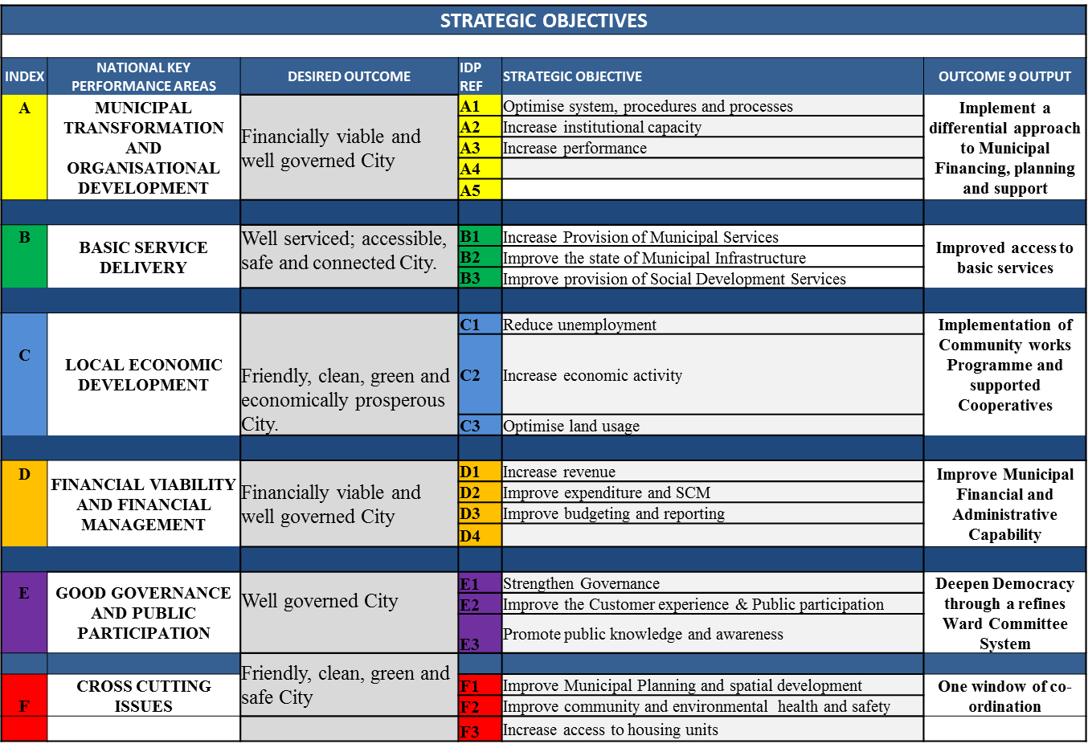
MSUNDUZI MUNICIPALITY STRATEGIC OBJECTIVES - KEY

